Sheet1
Predictor effect plot
 |  |  | 1 | 1
 |  |  | x1 | x2
 | Y | Intercept | V8502 | V8512 |  |  |  |  | Linear Equations
Mean | 0.5 | 0 | 0.2761 | 0.6221 |  |  |  |  | x1 | x2 |  |  |  |  |  | V8502 | V8512
Coeff |  | 0.1551 | 0.9366 | -0.7405 |  |  |  | 1 | 0.63103495 | -0.32680474 |  |  |  |  | 1 | 0.65272409691 | 0.41901828163
 |  |  |  |  |  |  |  | 0 | -0.30556505 | 0.41369526 |  |  |  |  | 0 | 0.42419762733 | 0.60197360101
 |  |  | 1 | 1 | 1 | 1
 |  |  | x1 | x2 | x3 | x4 |  |  |  | Linear equations
 | Y | Intercept | V7215 | V8526 | V7202 | V8509 |  |  |  | x1 | x2 | x3 | x4 |  |  |  | V7215 | V8526 | V7202 | V8509
Mean | 0.5 | 0 | 0.5314 | 0.5814 | 0.5052 | 0.1714 |  |  | 1 | 0.306045 | 0.30250934 | 0.29511056 | -0.58870854 |  |  | 1 | 0.57591959811 | 0.57505583094 | 0.57324681973 | 0.35693123003
Coeff |  | -0.8971 | 0.6308 | 0.6977 | 0.5753 | -0.7231 |  |  | 0 | -0.324755 | -0.39519066 | -0.28018944 | 0.13439146 |  |  | 0 | 0.41951735703 | 0.40246838196 | 0.43040733293 | 0.5335473884
Predictor effect plot

 |  |  | 1 | 1 | 1 | 1 | 1 | 1 | 1 |  |  | Linear equations |  |  |  |  |  |  |  |  | V8502 | V8509 | V8527 | V8526
 |  |  | x1 | x2 | x3 | x4 |  |  |  |  |  | x1 | x2 | x3 | x4 |  |  |  |  | 1 | 0.60990981357 | 0.5876858215 | 0.47293980146 | 0.46957663933
 | Y | Intercept | V8502 | V8509 | V8527 | V8526 |  |  |  |  | 1 | 0.44693314 | 0.35440686 | -0.10834666 | -0.12184396 |  |  |  |  | 0 | 0.47049261232 | 0.48635510378 | 0.56177116033 | 0.55078824656
Mean | 0.5 | 0 | 0.2532 | 0.1944 | 0.6264 | 0.5494 |  |  |  |  | 0 | -0.11816686 | -0.05459314 | 0.24835334 | 0.20385604
Coeff |  | 0.2047 | 0.5651 | 0.409 | -0.3567 | -0.3257
Predictor effect plot

V7118
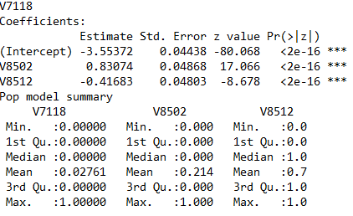
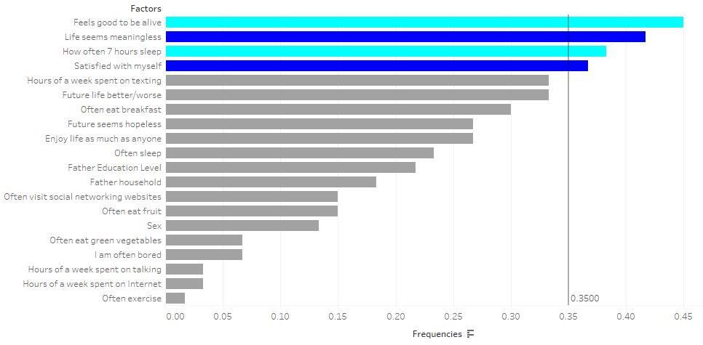
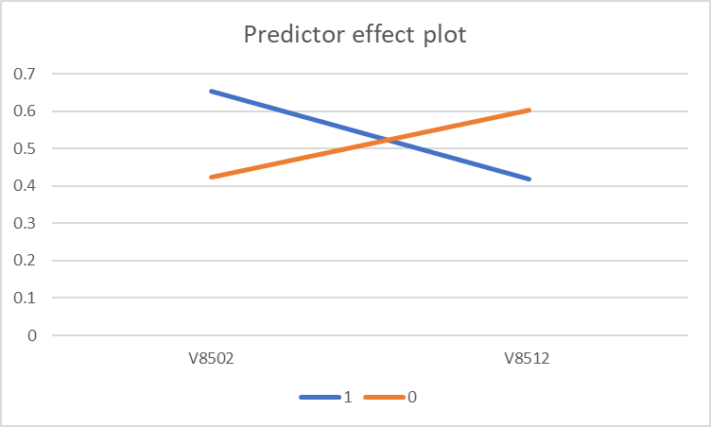

 | Y | Intercept | V8502 | V8512
Mean | 0.5 | 0 | 0.2761 | 0.6221
Coeff |  | 0.1551 | 0.9366 | -0.7405

V7221
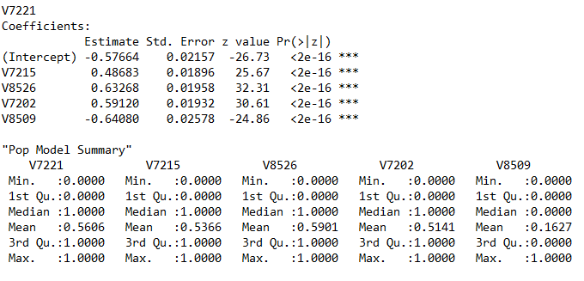
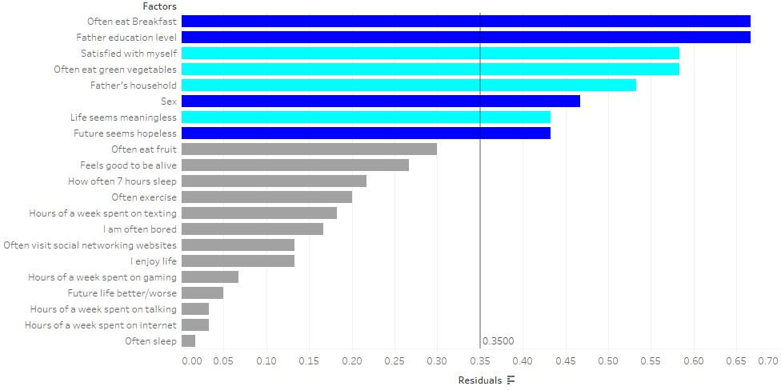
Predictor effect plot
 | V7215 | V8526 | V7202 | V8509
1 | 0.57591959811 | 0.57505583094 | 0.57324681973 | 0.35693123003
0 | 0.41951735703 | 0.40246838196 | 0.43040733293 | 0.5335473884

 | Intercept | V7215 | V8526 | V7202 | V8509
Mean | 0 | 0.5314 | 0.5814 | 0.5052 | 0.1714
Coeff | -0.8971 | 0.6308 | 0.6977 | 0.5753 | -0.7231

V8517
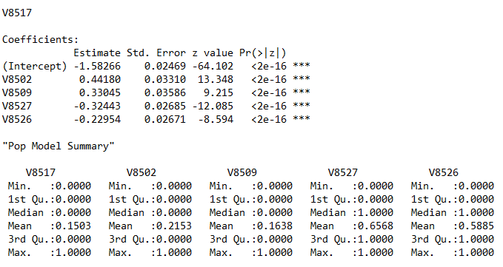
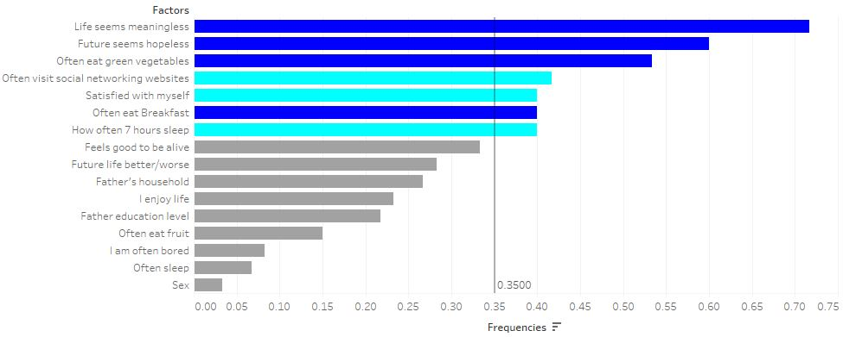
Predictor effect plot
 | V8502 | V8509 | V8527 | V8526
1 | 0.60990981357 | 0.5876858215 | 0.47293980146 | 0.46957663933
0 | 0.47049261232 | 0.48635510378 | 0.56177116033 | 0.55078824656

 | Intercept | V8502 | V8509 | V8527 | V8526
Mean | 0 | 0.2532 | 0.1944 | 0.6264 | 0.5494
Coeff | 0.2047 | 0.5651 | 0.409 | -0.3567 | -0.3257

